TEMP VBA data
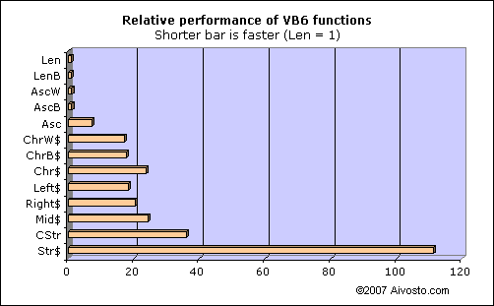
Function | Time | Description
Len | 1 | Len(S) returns the number of characters in string S. (Note: works differently with UDTs)
LenB | 1 | LenB(S) returns the number of bytes in S.
AscW | 1 | AscW(S) returns the Unicode value of the first character in S.
AscB | 1 | AscB(S) returns the first byte in S.
Asc | 7 | Asc(S) returns the ANSI value of the first character in S.
ChrW$ | 17 | ChrW$(U) returns a string containing the Unicode character U.
ChrB$ | 18 | ChrB$(B) returns a byte string containing the character B.
Chr$ | 24 | Chr$(A) returns a string containing the ANSI character A.
Left$ | 18 | Left$(S,x) returns x characters from the start of S.
Right$ | 21 | Right$(S,x) returns x characters from the end of S.
Mid$ | 24 | Mid$(S,x,y) returns y characters from S, starting at the xth character.
CStr | 36 | CStr(x) returns the string representation of x (localized).
Str$ | 111 | Str$(x) returns the string representation of x (not localized).
LTrim$ | 20 | LTrim$(S) returns a copy of S without leading spaces.
RTrim$ | 21 | RTrim$(S) returns a copy of S without trailing spaces.
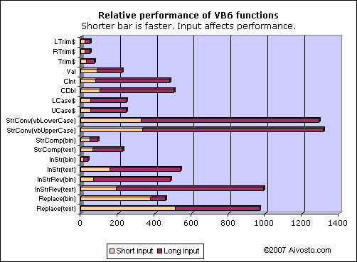
Trim$ | 29 | Trim$(S) returns a copy of S without leading or trailing spaces.
Val | 89 | Val(S) returns the numeric value contained in S (non-localized).
CInt | 81 | CInt(S) returns the integer value contained in S (localized, rounded).
CDbl | 103 | CDbl(S) returns the double floating point value contained in S (localized).
LCase$ | 53 | LCase$(S) returns a copy of S with lower case letters.
UCase$ | 53 | UCase$(S) returns a copy of S with upper case letters.
StrConv [vbLowerCase] | 327 | StrConv(S, vbLowerCase) returns a copy of S with lower case letters.
StrConv [vbUpperCase] | 333 | StrConv(S, vbUpperCase) returns a copy of S with upper case letters.
StrComp [vbBinaryCompare] | 47 | StrComp(S1, S2, vbBinaryCompare) compares string S1 and S2 based on their Unicode values.
StrComp [vbTextCompare] | 65 | StrComp(S1, S2, vbTextCompare) compares string S1 and S2 in a locale-dependent, case-insensitive way.
InStr [vbBinaryCompare] | 14 | InStr(x, S1, S2, vbBinaryCompare) looks for S2 in S1, starting at position x, in a locale-independent, case-sensitive way.
InStr [vbTextCompare] | 156 | InStr(x, S1, S2, vbTextCompare) looks for S2 in S1, starting at position x, using text comparison.
InStrRev [vbBinaryCompare] | 69 | InStrRev(S1, S2, x, vbBinaryCompare) looks for S2 in S1, from position x back to 1, in a locale-independent, case-sensitive way.
InStrRev [vbTextCompare] | 193 | InStrRev(S1, S2, x, vbTextCompare) looks for S2 in S1, from position x back to 1, using text comparison.
Replace [vbBinaryCompare] | 375 | Replace(S1, S2, S3, x, y, vbBinaryCompare) replaces S2 with S3 in S1, starting at position x, max y times, in a locale-independent, case-sensitive way.
Replace [vbTextCompare] | 513 | Replace(S1, S2, S3, x, y, vbBinaryCompare) replaces S2 with S3 in S1, starting at position x, max y times, using text comparison.

